Bubble Sort
 |  |  | n=6 |  |  |  |  | https://www.geeksforgeeks.org/bubble-sort/

 |  | 0 | 1 | 2 | 3 | 4 | 5
start |  | 1 | 5 | 11 | 9 | 4 | 6 | B1: Loop i from 0 to length (ROUND)
 |  |  |  |  |  |  |  | B2: Loop j from 0 to length - i - 1
Round 0 | j=0 | 1 | 5 | 11 | 9 | 4 | 6 | B3: If a[j] > a[j+1] >> Do swap
 |  | 1 | 5 | 11 | 9 | 4 | 6
 |  | 1 | 5 | 9 | 11 | 4 | 6 | Reference code
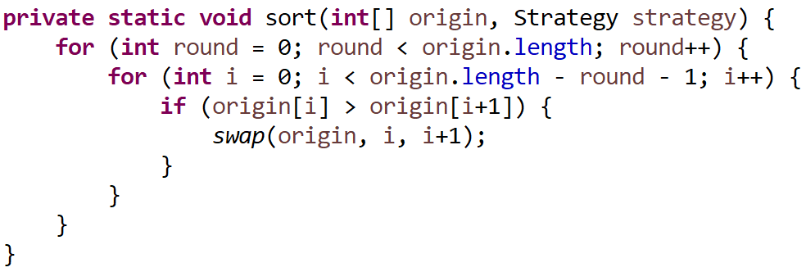
 |  | 1 | 5 | 9 | 4 | 11 | 6
 |  | 1 | 5 | 9 | 4 | 6 | 11
 |  | 1 | 5 | 4 | 6 | 9 | 11

Round 1 | j=1 | 1 | 5 | 11 | 9 | 4 | 6
 |  | 1 | 5 | 11 | 9 | 4 | 6
 |  | 1 | 5 | 11 | 9 | 4 | 6
 |  | 1 | 5 | 11 | 9 | 4 | 6
 |  | 1 | 5 | 11 | 9 | 4 | 6
 |  | 1 | 5 | 11 | 9 | 4 | 6

Selection Sort
 |  |  |  |  |  |  |  | https://www.geeksforgeeks.org/selection-sort/
 |  |  |  |  |  |  | ROUND
 |  | 0 | 1 | 2 | 3 | 4 | 5
origin |  | 1 | 5 | 11 | 9 | 4 | 6 | B1: Loop round from length - 1 to > 0
 |  |  |  |  |  |  |  | B2: Loop i from 0 to < round
Round 0 | i=0 | 1 | 5 | 11 | 9 | 4 | 6 | B3: If a[i] > a[round] >> Do swap
 |  | 1 | 5 | 6 | 9 | 4 | 11
 |  | 1 | 4 | 5 | 6 | 9 | 11 | Reference code
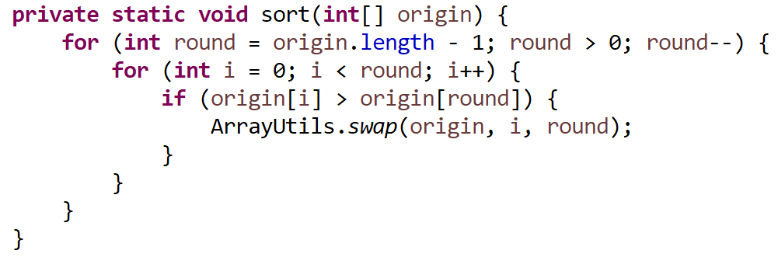

Round 1 | i=1 | 1 | 5 | 11 | 9 | 4 | 6
 |  | 1 | 5 | 11 | 9 | 4 | 6
 |  | 1 | 5 | 11 | 9 | 4 | 6
 |  | 1 | 5 | 11 | 9 | 4 | 6
 |  | 1 | 5 | 11 | 9 | 4 | 6
 |  | 1 | 5 | 11 | 9 | 4 | 6

Insertion Sort
 |  |  |  |  |  |  |  |  | https://www.geeksforgeeks.org/insertion-sort/
 |  |  |  |  |  |  |  |  | Case: Ascending
 | 0 | 1 | 2 | 3 | 4 | 5 |  |  | B1: Loop from i = 1 until the end
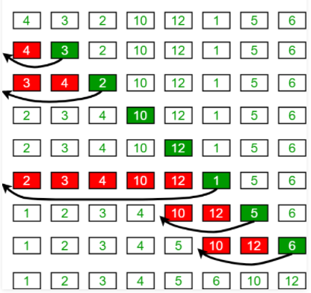
origin | 4 | 3 | 2 | 10 | 12 | 1 | 5 | 6 | B2: Loop from j = 0 until < i
 | j | key=1 |  |  |  |  |  |  | B3: if(a[i] < a[j]) swap || > if descending
 | 4 | 3 | 2 | 10 | 12 | 1 | 5 | 6
 | 3 | 4 | 2 | 10 | 12 | 1 | 5 | 6
 |  |  |  |  |  |  |  |  | Reference code
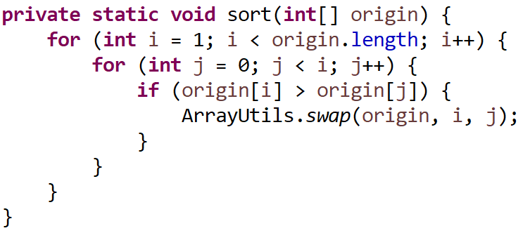
 | j |  | key=2
 | 3 | 4 | 2 | 10 | 12 | 1 | 5 | 6
 | 2 | 4 | 3 | 10 | 12 | 1 | 5 | 6
 | 2 | 3 | 4 | 10 | 12 | 1 | 5 | 6

Quick Sort
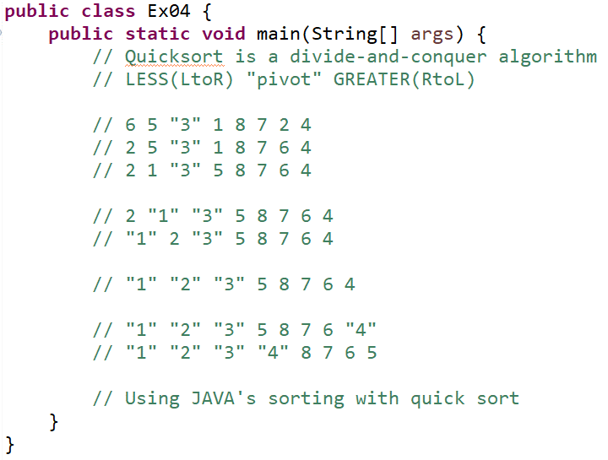
6.12. The Quick Sort — Problem Solving with Algorithms and Data Structures
https://topdev.vn/blog/thuat-toan-quick-sort-la-gi/
https://en.wikipedia.org/wiki/Quicksort

